Table 1
Traversee internationale du lac St-Jean |  |  |  | 68e Traversee internationale du lac St-Jean 23 au 30 juillet 2022 Roberval (CAN) La Traversee internationale du lac St-Jean presentee par Rio Tinto 32km Resutats officiels / Official results 30 juillet 2022 / July 30 |  |  |  |  | FEDERATION DENATATION DU QUEBEC
Rang Rank |  | Dossard Norn Bib number Name |  |  | Prenom First name | Sexe Gender | Pays Country | Temps Time |  | athlete_name | country | date | event | location | distance | wetsuit | condition | field_size | time | place
1 |  | 15 | STOCHINO |  | Edoardo | H/M | ITA | 6:55:04 |  | Edoardo Stochino | ITA | 2022-07-30 | FINA Grand Prix | Roberval, CAN | 32 | NW | Neutral | 9 | 24904.02 | 1
2 |  | 2 | CASSINI |  | Franco lvo | H/M | ARG | 7:12:40 |  | Franco Ivo Cassini | ARG | 2022-07-30 | FINA Grand Prix | Roberval, CAN | 32 | NW | Neutral | 9 | 25960.00 | 2
3 |  | 17 | ILIEVSKI |  | Aleksandar | H/M | MKD | 7:18:48 |  | Aleksandar Ilievski | MKD | 2022-07-30 | FINA Grand Prix | Roberval, CAN | 32 | NW | Neutral | 9 | 26327.98 | 3
4 |  | 18 | POPACEV |  | Evgenij | H/M | MKD | 7:53:15 |  | Evgenij Pop Acev | MKD | 2022-07-30 | FINA Grand Prix | Roberval, CAN | 32 | NW | Neutral | 9 | 28395.01 | 4
5 |  | 7 | SANTIAGO FACUNDO |  | Boviez | H/M | ARG | 8:49:17 |  | Boviez Santiago Facundo | ARG | 2022-07-30 | FINA Grand Prix | Roberval, CAN | 32 | NW | Neutral | 9 | 31757.01 | 5

1 |  | 10 | DORNIC |  | Morgane | F/W | FRA | 7:19:08 |  | Morgane Dornic | FRA | 2022-07-30 | FINA Grand Prix | Roberval, CAN | 32 | NW | Neutral | 4 | 26348.03 | 1
2 |  | 4 | GEIJO |  | Pilar | F/W | ARG | 7:36:51 |  | Pilar Geijo | ARG | 2022-07-31 | FINA Grand Prix | Roberval, CAN | 33 | NW | Neutral | 5 | 27411.00 | 2
3 |  | 3 | GARCIA |  | Rita Vanesa | F/W | ARG | 8:30:34 |  | Rita Vanesa Garcia | ARG | 2022-08-01 | FINA Grand Prix | Roberval, CAN | 34 | NW | Neutral | 6 | 30633.98 | 3
4 |  | 6 | MARIN |  | Daira Eluney | F/W | ARG | 8:49:30 |  | Daira Marin | ARG | 2022-08-02 | FINA Grand Prix | Roberval, CAN | 35 | NW | Neutral | 7 | 31769.97 | 4
Abandons |  | 1 | BLAUM |  | Damian | H/M | ARG | apres 37m
 |  | 13 | VENTURI |  | Bertrand | H/M | FRA | apres lh0Sm
 |  | 21 | RACINE |  | William | H/M | CAN | apres lh23m
 |  | 8 | ELAMRAWY |  | Marwan | H/M | EGY | apres lh47m
A terminee apres le temps reglementaire
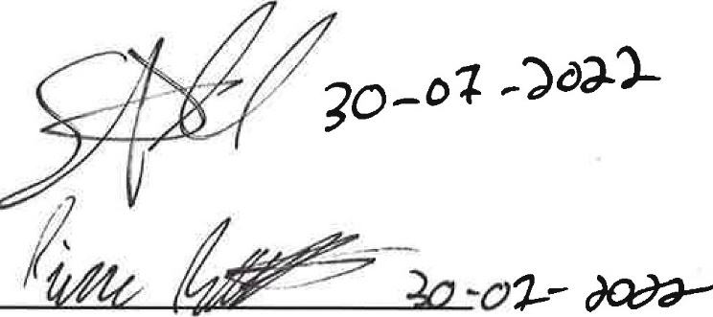 23 TREMBLAY Emilie F/W CAN 10:42:21
 |  |  |  |  |  |  | Quebec:: Canada
 | RioTinto

